NguyenVanThanh
BITEXCO JSC
QUẢN LÝ VÀ ĐÁNH GIÁ HOÀN THÀNH CÔNG VIỆC CÁ NHÂN/ INDIVIDUAL PERFORMANCE EVALUATION
Tháng/Month: 07/2026

Khối, Ban, Phòng/Division, Department: |  | IT | Họ tên CBNV/Name of Employee: | NGUYỄN VĂN THÀNH

STT/ No | Chức năng, nhiệm vụ chính của Khối, Ban, Phòng/ Main Functions of Division, Department | Nhiệm vụ chính trong tháng của Cá nhân/ Key deliverables of month |  |  | Điểm đánh giá/ Evaluation point |  |  | Ghi chú/Note | Phân bổ Mỗi nhiệm vụ chính trong Tháng làm cho các Công ty/ Monthly Work Allocation Ratio by Company
 |  | Kế hoạch/ Plan | Kết quả thực tế/ Actual result & note if any | Tỉ trọng/ Weight | Điểm tự đánh giá / Self evaluation of individual | Điểm CBQL trực tiếp đánh giá - Nếu có/ Evaluation of Direct Manager (If any) | Điểm HOD đánh giá/ Evaluation of HOD |  | Tổng/ Total | Property | Group Ltd., | Bitexco JSC | The Garden | BWP | BHMC | Power | Energy | Itel | Big Capital | Big Nano | Minh Quang | BT Chu Văn An | BOT Thanh Hóa | Diamond | Khác
1 | Nâng cấp phần mềm TC-KT | Chuyển đổi số KT -TC | Khởi động lại dự án nâng cấp phần mềm TC-KT sau khi ITEL từ chối. - Thực hiện họp BRAVO với TCKT tập đoàn, Garden, POWER | 60% | 3.5 | 3.5 |  |  | 100% |  |  | 100%
2 | GATEHUB - CHATBOT -BOTCAKE | Marketing - Garden | Duy trì hệ thống | 10% | 3.5 | 4.0 |  | https://zalo.me/s/4361103562266622116/ | 100% |  |  | 100%
3 | Hỗ trợ bảo trì - back up phần mềm | Duy trì hệ thống: Tender, Santarun, CRM, Quản lý tài sản, PDS | Hoàn thành duy trì hệ thống | 1-% | 3.5 | 3.5 |  | 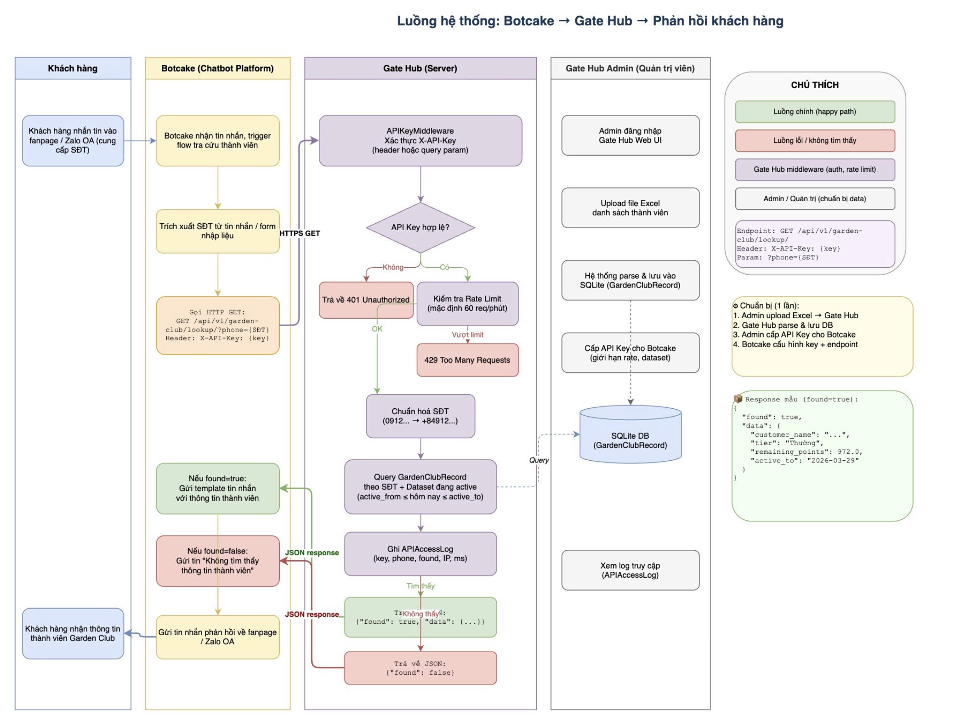 | 100% |  |  | 100%
4 | Nghiên cứu phát triển | Nghiên cứu AI, DatawareHouse và PowerBI | - Báo cáo nghiên cứu DW, gửi leader - Nghiên cứu lên kế hoạch thực hiện CDP, Loyalty platform BI, Bao cao Quản trị " | 30% | 3.5 | 3.5 |  |  | 100% |  |  | 100%
 |  |  |  |  |  |  |  |  | 100% |  |  | 100%
 |  |  |  |  |  |  |  |  | 100% |  |  | 100%
 |  |  |  |  |  |  |  |  | 100% |  |  | 100%
 |  |  |  |  |  |  |  |  | 100% |  |  | 100%
 |  |  |  |  |  |  |  |  | 100% |  |  | 100%
 |  |  |  |  |  |  |  |  | 100% |  |  | 100%
 |  |  |  |  |  |  |  |  | 100% |  |  | 100%
 |  |  |  |  |  |  |  |  | 100% |  |  | 100%
 |  |  |  |  |  |  |  |  | 100% |  |  | 100%
 |  |  |  |  |  |  |  |  | 100% |  |  | 100%
 |  |  |  |  |  |  |  |  | 100% |  |  | 100%
 |  |  |  |  |  |  |  |  | 100% |  |  | 100%
 |  |  |  |  |  |  |  |  | 100% |  |  | 100%
 |  |  |  |  |  |  |  |  | 100% |  |  | 100%
 |  |  |  |  |  |  |  |  | 100% |  |  | 100%
 |  | TỔNG/TOTAL |  | 100.0% | 3.50 | 3.60 | 0.00
 |  |  |  |  | B+ | B+ | C

